1. Title Page
Grocery Basket Analysis

Project Name: Instacart Grocery Basket Analysis
Date: 18 December 2023
Analyst Name: Dulce Valcarcel

Contents:
Population Flow
Consistency checks
Wrangling steps
Column derivations
Visualizations
Recommendations

* “The Instacart Online Grocery Shopping Dataset 2017”, Accessed from www.instacart.com/datasets/grocery-shopping-2017 via Kaggle on December 2023.

2. Population Flow
Title page

Population flow

Exclusion flag for CFO
Condition: max_order < 5 orders = Low Activity customers
Obervations to be removed: 7.989.982 were deleted for the segment requested by CFO. We kept all the rows for the rest of the analysis and the segment "Normal Activity" was deployed to the CFO for futher analysis.

Orders_products_combined
Orders_products_merged
Orders_products_all

Total: 32.404.859
Total: 32.434.489
Total: 32.404.859

1.) The grey boxes in the first row of the population flow represent the original data sets as they were when you downloaded them. In the Total fields you need to add the count of the rows when you imported the data set into Jupyter.
2.) The second row of boxes (coloured) represents the data sets after you manipulated them, e.g., removed missing values and duplicates. In the Total fields you need to add the count of the rows after conducting these operations. This offers a visual oveview of how the data flows throughout the data consistency checks.
3.) The third row, where also the arrows are coloured, represents the merges you performed between the datasets. In the Total fields you need to add the count of the rows in the merged datasets, so that you end up with the final dataset (in the red box). Keep in mind the final dataset should be without exclusions (based on the exclusion flag).

3. Consistency checks
 |  |  |  | Title page
Consistency checks

Dataset | Missing values | Missing values treatment | Duplicates
orders | 206.209 values in the column "days_since_prior_order" | No treatment. Values are valid because they belong to first orders without any order prior | No duplicates found
products | 16 Product Names missing | Removed | 5 duplicates removed
orders_products_prior | No values are missing | No missing values to treat | No Duplicates found
customers | 11.259 missing values for "First Name" | No treatment. Ms./Mrs. would be use in the future. | No Duplicates found

4. Wrangling steps
 |  |  |  |  | Title page
Wrangling steps

Dataset | Columns dropped | Columns renamed | Columns' type changed | Comment/Reason
orders | eval_set' |  |  | No necessary for analysis
 | Unnamed: 0' |  |  | Unnecessary column createdby default after merging
 | aisle_id |  |  | No necessary for analysis
 | _merge |  |  | Unnecessary column createdby default after merging
 |  | order_number --> quantity |  | Easier to understand
 |  | order_dow --> orders_day_of_week |  | Easier to understand
 |  |  | order_id changed from integer to string | Fixed after quality data check in order to function
products | _merge |  |  | Unnecessary column createdby default after merging
 | Unnamed: 0' |  |  | Unnecessary column createdby default after merging
orders_products_prior | _merge |  |  | Unnecessary column createdby default after merging
 | Unnamed: 0' |  |  | Unnecessary column createdby default after merging
customers |  |  | user_id changed from integer to string and '.0' deleted | Fixed after quality data check in order to function
 |  | Surnam --> Last Name |  | Easier to understand
 |  | STATE --> State |  | Easier to understand
 |  | fam_status --> Marital Status |  | Easier to understand
 |  | n_dependants --> Children |  | Easier to understand
 |  |  | Mixed Data Type: First Name --> Change to string | Fixed after quality data check in order to function
 | date_joined |  |  | No necessary for analysis
 | gender |  |  | No necessary for analysis
 | _merge |  |  | Unnecessary column createdby default after merging
 | First Name |  |  | PII: could potentially be traced back to a particular person
 | Last Name |  |  | PII: could potentially be traced back to a particular person

5. Column derivations
 |  |  |  |  | Title page

Column derivations and aggregations

Dataset | New column | Column/s it was derived from | Conditions
Orders | price_range_loc | prices | > 15 | High-range product
 |  |  | <= 15 & > 5 | Mid-range product
 |  |  | <= 5 | Low-range product
 | Busy_days | orders_day_of_week | 0 - 1 | Least busy
 |  |  | 3 - 4 | Busiest days
 |  |  | Else | Regularly busy
 | busiest_period_of_day | order_hour_of_day | 10 - 11 | Most orders
 |  |  | 3 - 4 | Fewest orders
 |  |  | Else | Average orders
 | loyalty_flag | max_order from quantity | > 40 | Loyal customer
 |  |  | <= 40 & > 10 | Regular customer
 |  |  | <= 10 | New customer
 | spender_type_flag | avg_payment from prices | < 10 | Low spender
 |  |  | >= 10 | High spender
 | activity_flag | quantity | < 5 | Low Activity
 |  |  | >= 5 | Non-Low Activity
 | frequency_flag | median_days_since_prior_order from days_since_prior_order | > 20 | Non-frequent customer
 |  |  | <= 20 & > 10 | Regular customer
 |  |  | <= 10 | Frequent customer
Customer | region | State | Maine', 'New Hampshire', 'Vermont', 'Massachusetts', 'Rhode Island', 'Connecticut', 'New York', 'Pennsylvania', 'New Jersey' | Northeast
 |  |  | Wisconsin', 'Michigan', 'Illinois', 'Indiana', 'Ohio', 'North Dakota', 'South Dakota', 'Nebraska', 'Kansas', 'Minnesota', 'Iowa', 'Missouri' | Midwest
 |  |  | Delaware', 'Maryland', 'District of Columbia', 'Virginia', 'West Virginia', 'North Carolina', 'South Carolina', 'Georgia', 'Florida', 'Kentucky', 'Tennessee', 'Mississippi', 'Alabama', 'Oklahoma', 'Texas', 'Arkansas', 'Louisiana' | South
 |  |  | 'Idaho', 'Montana', 'Wyoming', 'Nevada', 'Utah', 'Colorado', 'Arizona', 'New Mexico', 'Alaska', 'Washington', 'Oregon', 'California', 'Hawaii' | West
 | Status | Marital_Status | single', 'divorced/widowed', 'living with parents and siblings' | Non-married
 |  |  | married' | Married
 | Age_Group | Age | <= 29 | Young
 |  |  | >= 30 & <= 59 | Adult
 |  |  | >= 60 | Senior
 | Dependences | Children | >= 1 | w/ dependants
 |  |  | "=0" | w/o dependants
 | Income_Group | income | < 50.000 | Low Income
 |  |  | >= 50.000 & < 100.000 | Mid Income
 |  |  | >= 100.000 | High Income
 | Customer_Profile | Status Age_Group Dependences Income_Group | Status = Non-married Age_Group = Young Income_Group = High Income | Non-married, Young and High Income
 |  |  | Status = Non-married Age_Group = Young Income_Group = Mid Income | Non-married, Young and Mid Income
 |  |  | Status = Non-married Age_Group = Young Income_Group = Low Income | Non-married, Young and Low Income
 |  |  | Status = Non-married Age_Group = Adult Income_Group = High Income | Non-married, Adult and High Income
 |  |  | Status = Non-married Age_Group = Adult Income_Group = Mid Income | Non-married, Adult and Mid Income
 |  |  | Status = Non-married Age_Group = Adult Income_Group = Low Income | Non-married, Adult and Low Income
 |  |  | Status = Non-married Age_Group = Senior Income_Group = High Income | Non-married, Senior and High Income
 |  |  | Status = Non-married Age_Group = Senior Income_Group = Mid Income | Non-married, Senior and Mid Income
 |  |  | Status = Non-married Age_Group = Senior Income_Group = Low Income | Non-married, Senior and Low Income
 |  |  | Status = Married Age_Group = Young Income_Group = High Income | Married, Young and High Income
 |  |  | Status = Married Age_Group = Young Income_Group = Mid Income | Married, Young and Mid Income
 |  |  | Status = Married Age_Group = Young Income_Group = Low Income | Married, Young and Low Income
 |  |  | Status = Married Age_Group = Adult Income_Group = High Income | Married, Adult and High Income
 |  |  | Status = Married Age_Group = Adult Income_Group = Mid Income | Married, Adult and Mid Income
 |  |  | Status = Married Age_Group = Adult Income_Group = Low Income | Married, Adult and Low Income
 |  |  | Status = Married Age_Group = Senior Income_Group = High Income | Married, Senior and High Income
 |  |  | Status = Married Age_Group = Senior Income_Group = Mid Income | Married, Senior and Mid Income
 |  |  | Status = Married Age_Group = Senior Income_Group = Low Income | Married, Senior and Low Income
Products | Prod_Categ | department | ['produce', 'meat seafood', 'dairy eggs'] | Perishables
 |  |  | ['bakery', 'breakfast'] | Breakfast
 |  |  | ['beverages', 'alcohol','snacks'] | Party
 |  |  | ['household', 'personal care', 'babies', 'pets'] | Household
 |  |  | ['frozen'] | Frozen
 |  |  | ['pantry', 'canned goods', 'dry goods pasta'] | Staples
 |  |  | ['international', 'deli'] | Gourmet
 |  |  | ['other', 'missing', 'bulk'] | Others

6. Visualizations
 |  | Title page
Visualisations

Hours
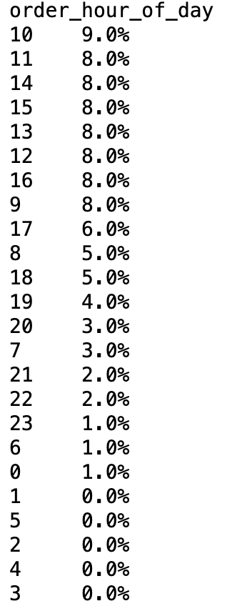 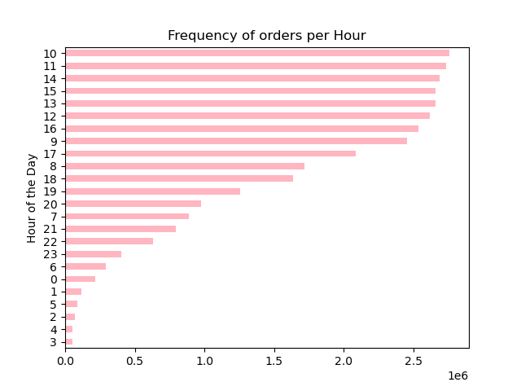 | 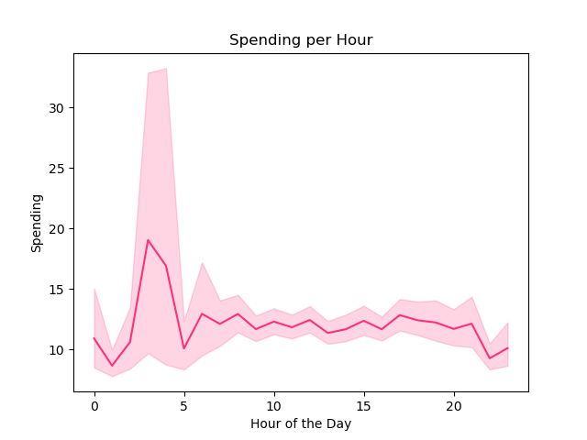
Peak hours for order is between 10am - 4pm Most orders are made at 10am, 11am and 2pm Off peak hours (minimum orders) are between 12am to 5am. | Expenses are highest at 4am. Probably because they are spontaneous orders Overall expenses are higher betwwen 10pm and 7am, with peaks at 10pm, 1am, 4am and 7am Error bands are quite wide from 00 to 7am, that means that the probability of a value would fall within the area of the error bands is higher as we could want. Probably because the frequency of the orders during those hours is low, as we saw previously.
Days
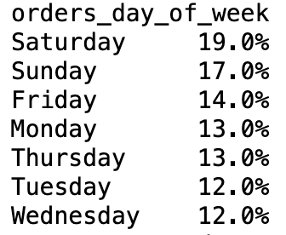 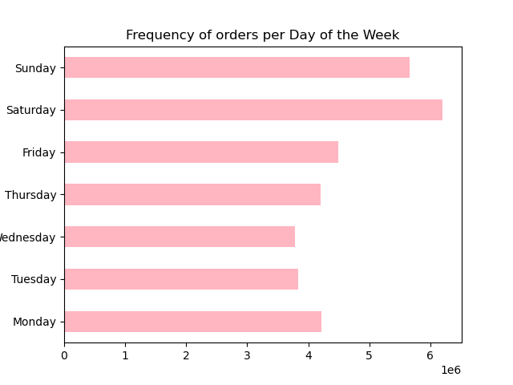 | 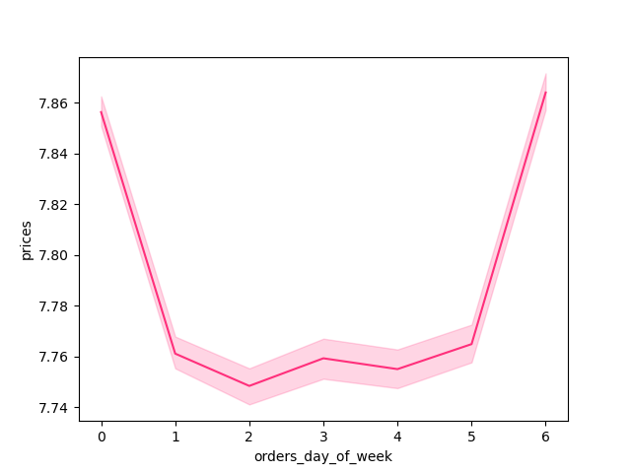
Saturdays and Sundays are the days where the most orders are placed. | Thursdays, Fridays and Saturdays (0) are the days which the customers spend most. However, there is no big difference on the average price paid.
Loyalty
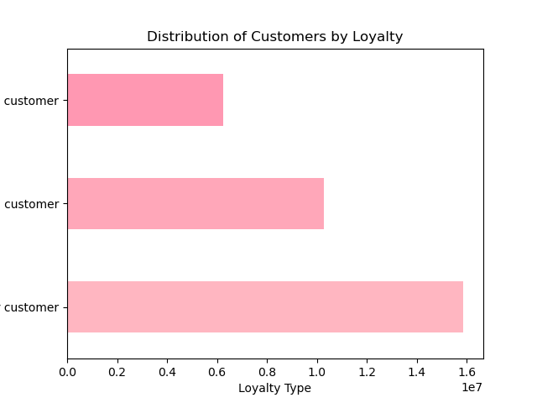
Regular customers made most orders New customers made the least orders
Products and Categories
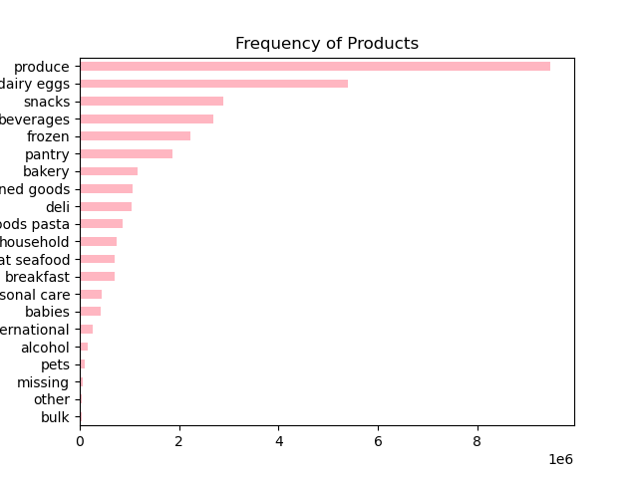 | 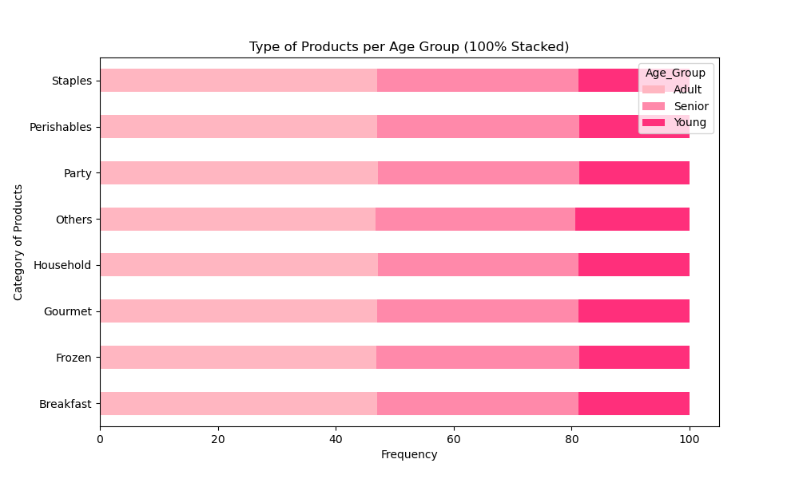
Produce, dairy and eggs are the most ordered products. Also, we cannot forget the orders of Snacks and Beverages are also high. In conclusion, the most of the customers use Instacart for buying perishables and party-meeting products. | Adults: Most orders of Perishables, Party and Staples. High Frozen products. Senior: Most orders of Perishables, Party and Staples. High Breakfast products. Young: Most orders of Perishables, Party. Fewer Staples as the rest.
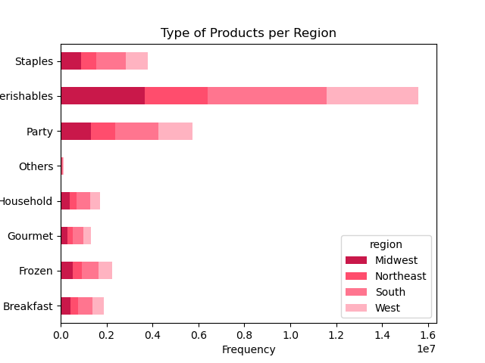 | 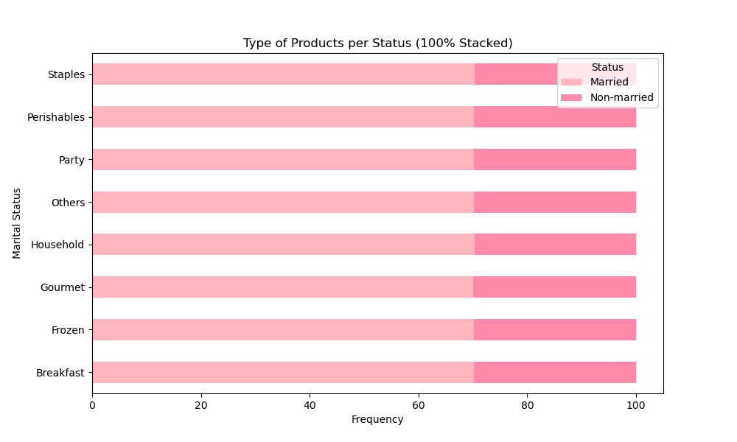
Most of the customers come from South and West regions. Midwest: Most orders of Perishables. Northeast: Signifant most orders of Perishables. More frozen than the rest. South: Most orders of Perishables, Party. More orders than the rest regions. West: Most orders of Perishables. Lower number of orders than the rest regions. | Married: Significantly more orders than non-married. Most on Perishables and quasi equal staples and party. Non- Married: Few orders. Most on Perishables and Party.
Demographics
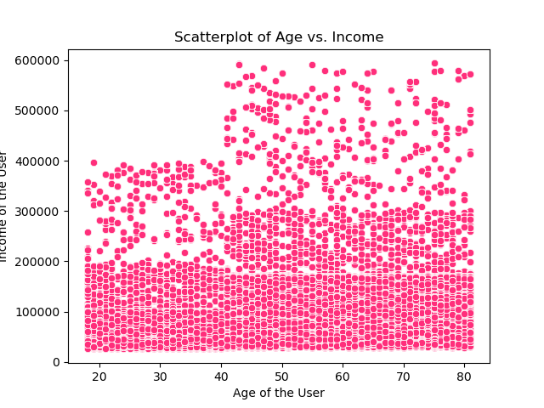 | 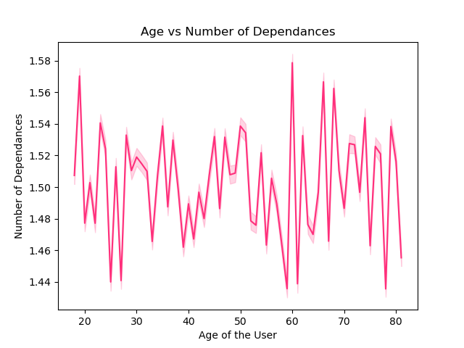
The most of customers have less than 200.000 Ages between 18 to 40 have lower spending power compared to above 40, when the incomes increase. Customers between 18 and 40 have income less than 400.000. Customers above 40 surpass 400,000 and earn upto 600.000 | Any relationship between the age and the number of childrens.

A 70% of the customers are married. A 30% are single, divorced, widowed or living with their parents. | From the non-married customers, more than 50% are single. A 30% are dovorced or widowed. And only a 16% are living with parents or siblings.
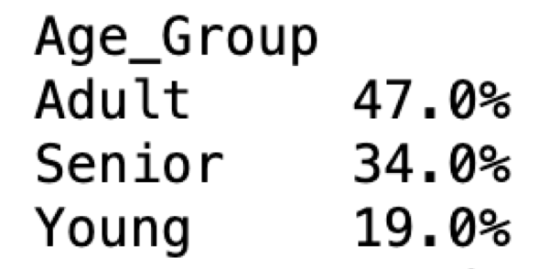 | 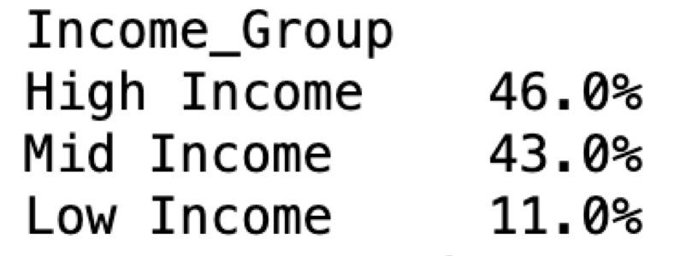
47% of the customers are between 30 and 59 years-old. Only a 19% are younger than 30 years-old. A third part of the customers are older than 60 years-old. | Only a 11% of the customers have less than 50.000 $ as income. More than 90% of the users earn more than 50.000$.

The third part of the customers has dependants (kids or people under their supervision).
Customer Profiles
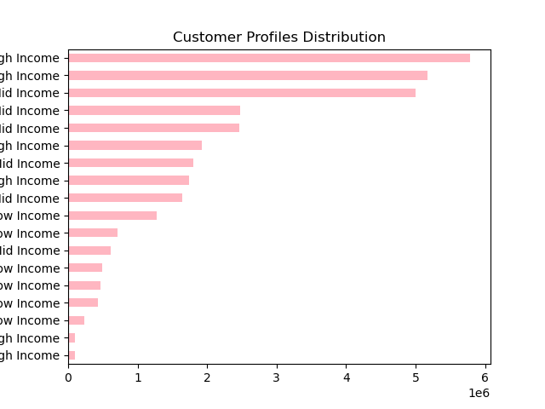 | 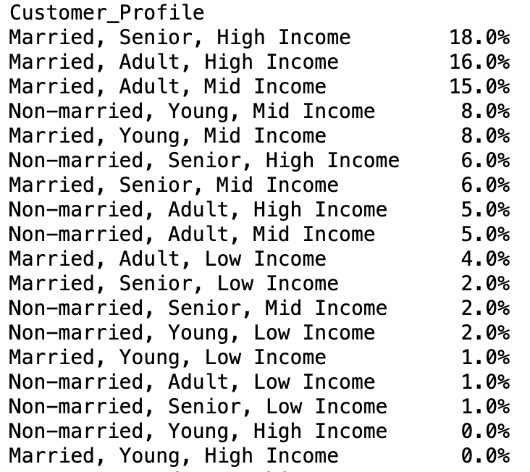
The segments with more amount of orders are: Married Adult/Senior Mid/high income The segments with less amount of orders are: Non- Married Young Low/high income | A 18% of the customers belong to "Married, Senior with High Income". A 31% of the customers belongs to Married-Adult with Mid-High Income. They are the biggest segments. There is no customers in the segment Young with High Income.

From the married customers, more than 50% have High Income. There is no married-young people with High Income. All the divorced/widowed are older than 60 year-old. From them, 70% have High Income. All the living with parents or siblings customers are young. And only 3% of them have high income. All the single are younger than 60 years-old and more than the half of them have Mid-High Income.

The 80% of the young people has mid-income. More than 75% of the adult, are married. More than the half of the Senior are married and have High Income.

More than 70% of the customers with high income are married and older than 30 years-old. From all the customers with Mid-income, only 17% are Senior. And more than 50% are married. 26% of the customers with low incomes, are Senior. Almost the 50% are Adults. However, only 30% are single.

All the married customers have dependants. Only 6% of customers with dependants are non-married. Also they are still young and have mid-low incomes. Almost the half of the customers without dependants are adults with high-mid incomes.

7. Recommendations
 |  | Title page
Recommendations

Question 1
The sales team needs to know what the busiest days of the week and hours of the day are (i.e., the days and times with the most orders) in order to schedule ads at times when there are fewer orders.
 | 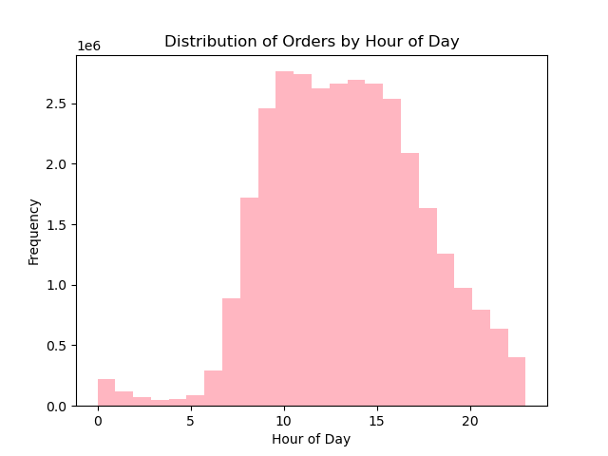
Based on those 2 charts, I would recommed to schedule ads Tuesdays and Wednesdays between 12am to 7am, where there are fewer orders. Also, they are the same times when the customers spend the most, so we could take this as advantage.
Question 2
They also want to know whether there are particular times of the day when people spend the most money, as this might inform the type of products they advertise at these times.

Expenses are highest at 4am. Probably because they are spontaneous orders Overall expenses are higher betwwen 10pm and 7am, with peaks at 10pm, 1am, 4am and 7am Error bands are quite wide from 00 to 7am, that means that the probability of a value would fall within the area of the error bands is higher as we could want. Probably because the frequency of the orders during those hours is low, as we saw previously.
Question 3
Instacart has a lot of products with different price tags. Marketing and sales want to use simpler price range groupings to help direct their efforts.
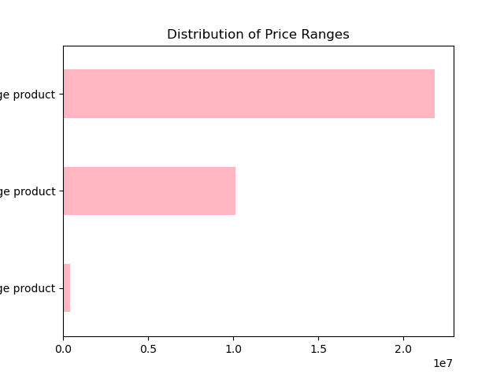
Most customers are purchasing mid-price items between $5 to $15. Only few orders were done for High-Price Items.
Question 4
Are there certain types of products that are more popular than others? The marketing and sales teams want to know which departments have the highest frequency of product orders.
 | 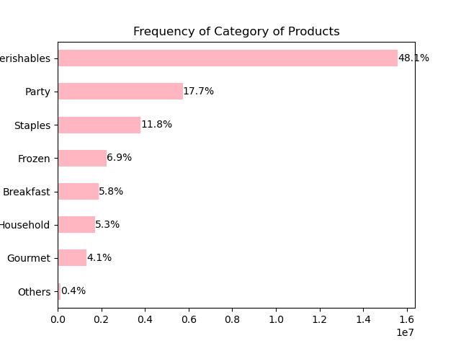
Produce, dairy and eggs are the most ordered products. Also, we cannot forget the orders of Snacks and Beverages are also high. In conclusion, the most of the customers use Instacart for buying perishables and party-meeting products. | Significant high amount of orders for Perishables articles (48%). We could see a pattern here about why the most of customers use Instacart. The next group would be Party (18%) and Staples (12%). However, few orders were done for gourment items (deli and international - 4%)
Question 5
What’s the distribution among users in regards to their brand loyalty (i.e., how often do they return to Instacart)?
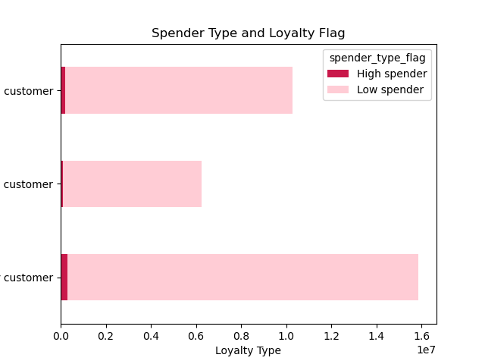 | 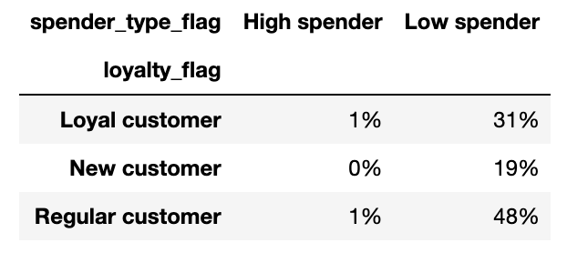
The higher spender customers are the regular ones, the ones which repeat most the orders. The most of the customers are regular and low spender. The 48% of the customers are regular costomer/low spender. However, we only have 20% of customers which are new. The high spender customers come from the South.
Question 6
Are there differences in ordering habits based on a customer’s loyalty status?
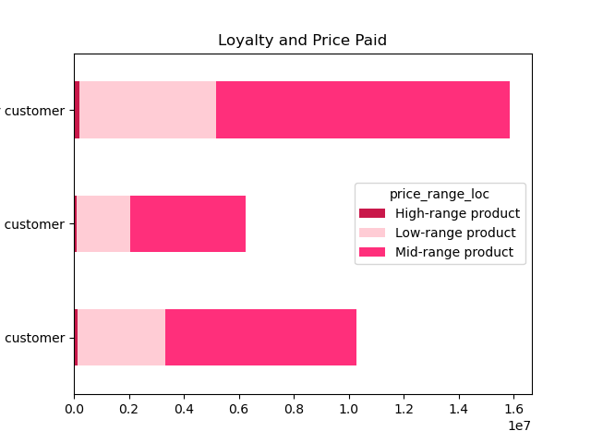
Mid-price items are the most purchased by all 3 loyalty groups. The second group is Low range product and Regular/loyal customers. The new customers buy less high range items than the rest ones.
Question 7
Are there differences in ordering habits based on a customer’s region?
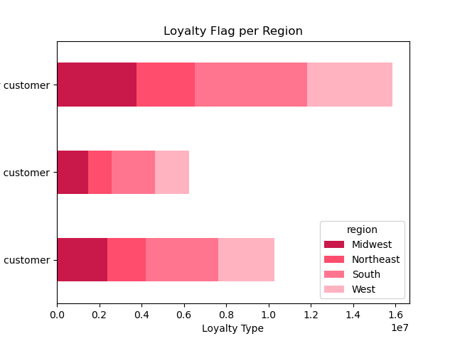
The majority of the customers are in the South region and fall under the regular customers range. Northeast is the region with lower amount of orders. | Most of the customers come from South and West regions. Midwest: Most orders of Perishables. Northeast: Signifant most orders of Perishables. More frozen than the rest. South: Most orders of Perishables, Party. More orders than the rest regions. West: Most orders of Perishables. Lower number of orders than the rest regions.
Question 8
Is there a connection between age and family status in terms of ordering habits?

The most of the adult/senior buy perishables and Party products. The young ones, buy more part products than Staples. Also, breakfast and frozen products are a good niche. | Married: Significantly more orders than non-married. Most on Perishables and quasi equal staples and party. Non- Married: Few orders. Most on Perishables and Party.
Question 9
What different classifications does the demographic information suggest? Age? Income? Certain types of goods? Family status?
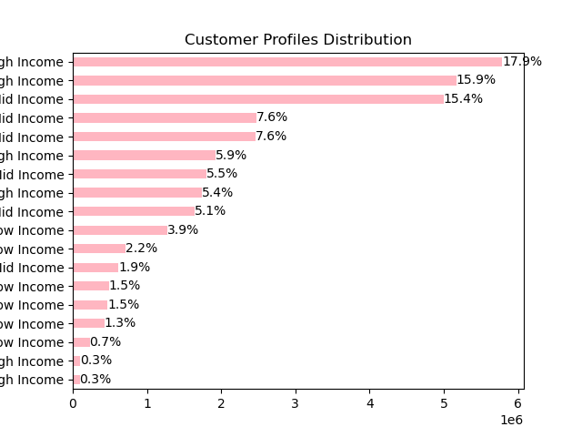 | 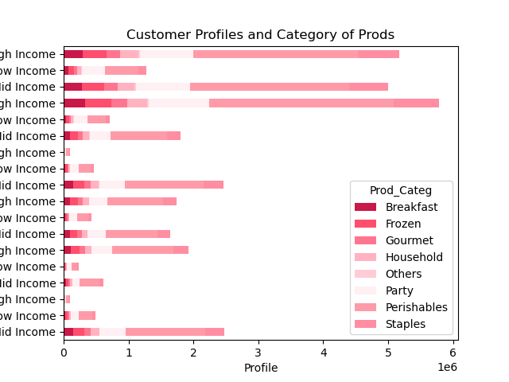
The segments with more amount of orders are: Married Adult/Senior Mid/high income The segments with less amount of orders are: Non- Married Young Low/high income | The more common categories of products are Perishables and Stapples for: Married Adult/Senior Mid/high income The more common categories of products are Perishables and Party. Non- Married Young Low income
Question 10
What differences can you find in ordering habits of different customer profiles? Consider the price of orders, the frequency of orders, the products customers are ordering, and anything else you can think of.
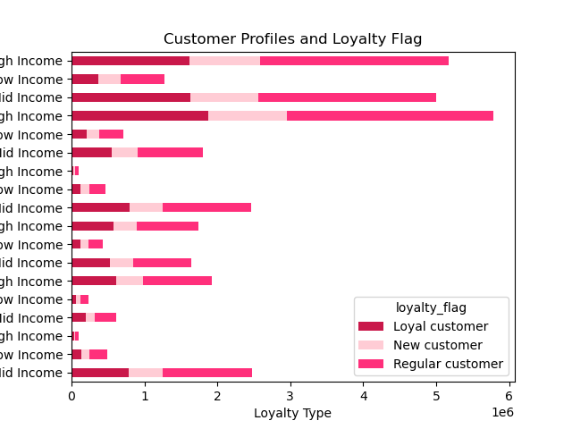 | 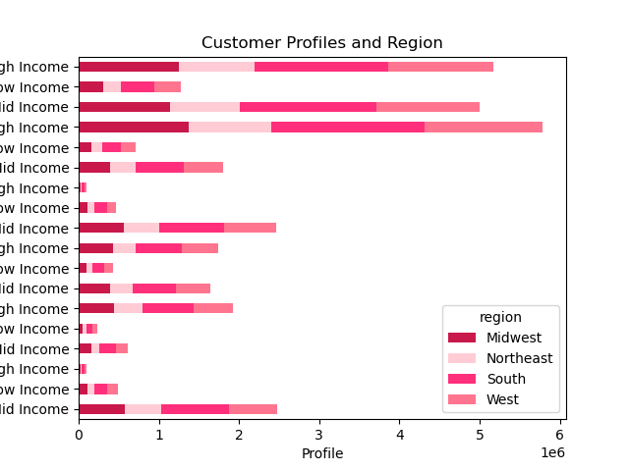
The more loyal customers are married adults and High Income. The new customers are also married adults and Mid Income. | South (most important region): Married, Adult/Senior and High/Low Income are the most common.

